Sheet0
Furniture requirements - AIMS Incubator
S/N | Picture | Quantity | Unit | Description and Technical specifications | Unit Price | Total Price ( VAT Inclusive)
1 |  | 39 | Pcs | Office Black chairs |  | 0
2 |  | 4 | pcs | Squared pouf stool |  | 0
3 |  | 5 | pcs | Single sofas for office waiting |  | 0
4 |  | 3 | pcs | 250CM, 90CM H Coffee cabinet with 7doors 37CM W each and three drawers 58CM Width. (water proof MDF) |  | 0
5 |  | 2 | pcs | Brown triangle wooden tea tables, high and low with 50CM. (Soft long lasting woods) |  | 0
6 |  | 1 | pcs | Locker cabinet with 12 drawers, 217L * 90H *45W 54CM Width. (MDF Type) |  | 0
7 |  | 5 | pcs | Brown wooden squared tea tables with 60CM (water proof MDF) |  | 0
8 | 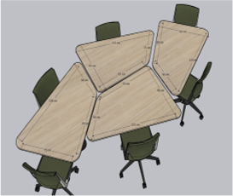 | 3 | sets | set of four way wavy working tables. (MDF) |  | 0
9 | 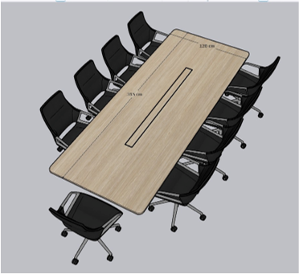 | 1 | set | One set of 8 seaters meeting table. 315 *120 meters. (MDF) |  | 0
10 | 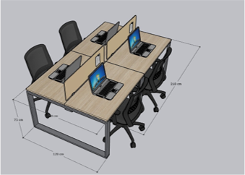 | 3 | sets | Sets of four way work stations with metal legs. 210*120 meters (MDF) |  | 0
11 |  | 2 | pcs | Round pouf stools (Comfortable cotton) |  | 0
12 |  | 1 | pcs | Single leg height adjustable table, 56CM *26CM W *49H (MDF with metalic stand) |  | 0
13 | 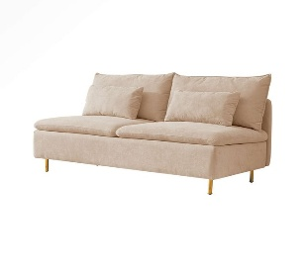 | 2 | Sets | Four seaters armless couch with pillows (320CM) |  | 0
14 | 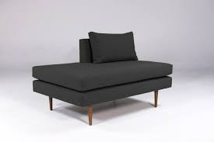 | 2 | sets | sedianal armless half back sofa-80*80CM |  | 0
15 |  | 7 | pcs | Squared pouf 75*75 |  | 0
16 |  | 2 | pcs | Rectangular pouf table 75*45CM |  | 0
17 |  | 1 | pc | Squared pouf 45*50CM |  | 0
18 |  | 3 | pcs | Armless one seater sectional sofa 72*92 |  | 0
19 | 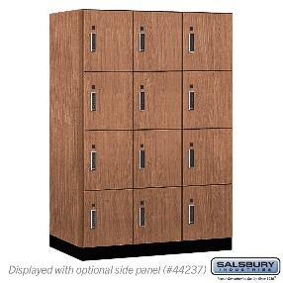 | 2 | pcs | Wooden locker cabinet 217L*42H*35W |  | 0
20 |  | 5 | pcs | Metalic(Legs) long office stools |  | 0
21 | 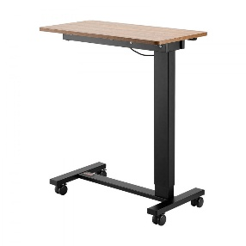 | 5 | pcs | single L Shaped leg sit adjustable desk 56CM*26CMW 49H (MDF Table with metalic stand) |  | 0

 | GRAND TOTAL (VAT Inclusive) RWF |  |  |  |  | 0

